CXSTM001- TE Preferences
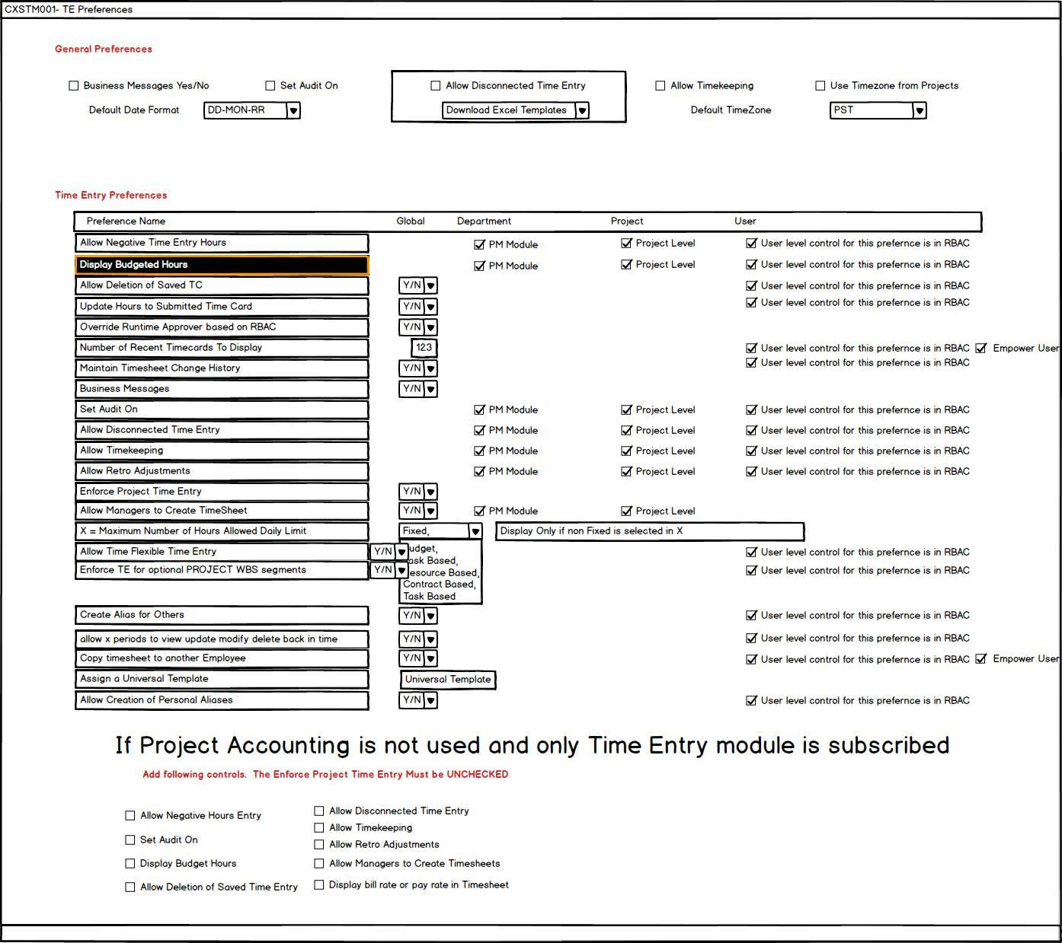
 |  |  |  | Attribute : Business Messages Y/N
 |  |  |  | Data Object: BUSINESS_MGS_FLAG
 |  |  |  | Data Source | CXS_TM_PROFILES
 |  |  |  | Functionality | Business Messages convey messages from team and supervisors

 |  |  |  | Attribute: | Set Audit On
 |  |  |  | TEMPORARILY DISABLED FEATURE

 |  |  |  | Attribute: | Default Date Format
 |  |  |  | Data Object | DEFAULT_DATE_FORMAT
 |  |  |  | Type | Varchar2
 |  |  |  | Functionality | DEFAULT_DATE_FORMAT for timesheets
 |  |  |  | Data Source | CXS_TM_PROFILES

 |  |  |  | Attribute | Allow Disconnected Time Entry
 |  |  |  | Data Object | ALLOW_DISCONNECTED_FLAG
 |  |  |  | Type | T1
 |  |  |  | Functionality | If checked, it will enable donwload excel template
 |  |  |  |  | if checked, user can enter timesheet in excel and then import

 |  |  |  | Attribute | Allow Timekeeping
 |  |  |  | Data Object | ALLOW_TIME_KEEPING
 |  |  |  | Data Object | T1
 |  |  |  | Functionality | This is a RBAC role. for TimeKeeping only RBAC role. If this role is assigned ot a user than he she can enter someone else's time
 |  |  |  | Data Source | CXS_TM_PROFILES

 |  |  |  | Attribute | Use timezone from Projects
Table | CXS_TM_PROFILES |  |  | Data Object | USE_TIMEZONE
 |  |  |  | Data Source | CXS_TM_PROFILES
 | LAST_UPDATE_DATE |  | DATE | Functionality | If checked, timezone from project is available. Only for Project accoutning options
 | CREATION_DATE |  | DATE
 | LAST_UPDATED_BY |  | NUMBER | Attribute | Default Timezone
 | CREATED_BY |  | NUMBER | Data Object | DEFault Timezone
 | LAST_SESSION_ID |  | VARCHAR2(240) | Data Source | CXS_TM_PROFILES
 | BUSINESS_MGS_FLAG |  | VARCHAR2(1)
 | DEFAULT_DATE_FORMAT |  | VARCHAR2(1)
 | ALLOW_DISCONNECTED_FLAG |  | VARCHAR2(1) | Attribute: Allow Negative Entry for Time Hours
 | ALLOW_TIME_KEEPING |  | VARCHAR2(1) | DataObject: ALLOW_NEGATIVE_ENTRY
 | USE_TIMEZONE |  | VARCHAR2(1) | DataSource: CXS_TM_PROFILES
 | DEFAULT_TIMEZONE |  | VARCHAR2(1) | Functionality: When checked, should allow negative entry for time hours.
 | ALLOW_NEGATIVE_ENTRY |  | VARCHAR2(1)
 | DISPLAY_BUDGET_HOURS |  | NUMBER | Attribute: Display Budgeted Hours
 | EXCEED_HOURS_NOTIFICATION |  | VARCHAR2(1) | DataObject: DISPLAY_BUDGET_HOURS
 | ALLOW_DELETION_SAVED_TE |  | VARCHAR2(1) | DataSource: CXS_TM_PROIFLES
 | UPDATE_HOURS_SUBMITTED |  | VARCHAR2(1) | Functionality: When checked, it will display budgeted hours on the timesheet
 | OVERRIDE_APPROVER_RBAC |  | VARCHAR2(1)
 | NO_OF_RECENT_CARDS |  | VARCHAR2(1) | Attribute: Action when budget hours exceed
 | ALLOW_TS_CHANGE_HISTORY |  | VARCHAR2(1) | DataObject: EXCEED_HOURS_NOTIFICATION
 | ALLOW_RETROADJUSTMENTS |  | VARCHAR2(1) | DataSource: CXS_TM_PROFILES
 | ENFORCE_PROJECT_TE |  | VARCHAR2(1) | Functionality: This flag will determine what to do when actual hours exceed the budgeted hours.
 | ALLOW_MGR_TS_CREATION |  | VARCHAR2(1)
 | ALLOW_FLEXIBLE_TIME |  | VARCHAR2(1) | However, there is an important validation here.
 | ALLOW_TE_FOR_OPTIONALS |  | VARCHAR2(1) | When validating budget hour exceed, it must take earn credits, excess hours etc into account and it MUST follow the time management policy assigned to the user in time profile.
 | CREATE_ALIAS_FOR_OTHERS |  | VARCHAR2(1)
 | ALLOW_COPY |  | VARCHAR2(1) | valid values for this profile :
 | ALLOW_PERSONAL_ALIAS |  | VARCHAR2(1)
 | PROFILE_ID |  | NUMBER | Allow TE
 | LEVEL |  | G,D,P,U (Global, Dept Project User | STOP do not allow submission
 |  |  |  | Send a conditional approval and intiace RBAC for supervisor
Addendum
 | Topic: Enforce Project Time Entry |  |  | If Credits are available, allow user to apply it.
 |  | If this flag is checked then all orgs from Project Mgmt module will be validated
 |  | If this flag is unchecked then, non project owning orgs only will be selected
 |  |  |  | Attribute: Allow Deletion of Saved TE
 | Action: | Add drop down box containing non project owning org to pick from for the flag when |  | DataObject: ALLOW_DELETION_SAVED_TE
 |  | unchecked
 |  |  |  | ---
 |  |  |  | ---
 |  |  |  | Attribute: | Update Hours To Submitted Time Cards
 |  |  |  | DataObject: | UPDATE_HOURS_SUBMITTED
 |  |  |  | DataSource | CXS_TM_PROFILES
 |  |  |  | Functionality | If Checked, update hours to submitted Time Cards

 |  |  |  | Attribute: | Override Approver Runtime based on RBAC
 |  |  |  | DataObject | OVERRIDE_APPROVER_RBAC
 |  |  |  | DataSource | CXS_TM_PROFILES
 |  |  |  | Functionality | If Checked, user should be able to select runtime approver
 |  |  |  |  | If Primary Approver is on Vacation then route to alternate approvver

 |  |  |  | Attibute: | NUMBER OF RECENT TIME CARDS
 |  |  |  | DataObject | NO_OF_RECENT_CARDS
 |  |  |  | DataSource | CXS_TM_PROFILES
 |  |  |  | Functionality | Depending on the number entered here number of Recent Time Card Will be displayed

 |  |  |  | Attribute: | Maintain Recent Time Change History
 |  |  |  | DataObject | ALLOW_TS_CHANGE_HISTORY
 |  |  |  | DataSource | CXS_TM_PROFILES
 |  |  |  | Functionality | If checked, it will enahble TS history change log

 |  |  |  | Attribute: | Allow Retroadjustments
 |  |  |  | DataObject: | ALLOW_RETROADJUSTMENTS
 |  |  |  | DataSource | CXS_TM_PROFILES
 |  |  |  | Functionality | If checked, user has unlimited authority to go back in time and update approved time sheets

 |  |  |  | Attribute: | Enforce Project Time Entry
 |  |  |  | Data Object | ENFORCE_PROJECT_TE
 |  |  |  | Data Source | CXS_TM_PROFILES
 |  |  |  | Functionality | If this profile is checked, then it must allow TE for projects only.
 |  |  |  |  | Once set you can not uncheck after there is atleast one time entry for a project

 |  |  |  | Attribute: | Allow Managers to Create TimeSheet
 |  |  |  | Data Object | ALLOW_MGR_TS_CREATION
 |  |  |  | Data Source | CXS_TM_PROFILES
 |  |  |  | Functionality | If This profile is checked, then Manager can create subbordinate timesheet using Pre Approve Screen

 |  |  |  | Attribute | Maximum Daily Limit
 |  |  |  | Data Object | MAX_DAILY_LIMIT
 |  |  |  | Data Source | CXS_TM_PROFILES
 |  |  |  | Funtionality | Enformce Maximum daily limit options below
 |  |  |  |  | Fixed:
 |  |  |  |  | Budget Based
 |  |  |  |  | Task Based
 |  |  |  |  | Resource Based
 |  |  |  |  | Contract Based
 |  |  |  |  | Task Based

 |  |  |  | If it is Fixed

 |  |  |  | Attribute | Allow Flexible Time Entry
 |  |  |  | Data Object | ALLOW_FLEXIBLE_TIME
 |  |  |  | Data Source | CXS_TM_PROFILES
 |  |  |  | Functionality | If this checked, user can enter advance TE for next pay period
 |  |  |  |  | While staying in the current pay period

 |  |  |  | Attribute | Allow TE for optional segments
 |  |  |  | Data Object | ALLOW_TE_FOR_OPTIONALS
 |  |  |  | Data Source | CXS_TM_PROFILES
 |  |  |  | Functionality | If this checked, it will enforce mandatory segments

 |  |  |  | Attribute | Create Alias for Others
 |  |  |  | Data Object | CREATE_ALIAS_FOR_OTHERS
 |  |  |  | Data Source | CXS_TM_PROFILES
 |  |  |  | Functionality | If this is checked, allow creation of alias for others

 |  |  |  | Attribute: | Allow X Period to modify back in time
 |  |  |  | Data Object | CREATE_ALLOW_X PERIOD

 |  |  |  | Attribute: | Copy Timesheet to another employee
 |  |  |  | Data Object | ALLOW_COPY
 |  |  |  | Data Source | CXS_TM_PROFILES
 |  |  |  | Functionality | If checked, it will enablle capability to allow copy of the timesheet

 |  |  |  | Attribute | Allow Creation of Personal Alias
 |  |  |  | Data Object | ALLOW_PERSONAL_ALIAS
 |  |  |  | Data Source | CXS_TM_PROFILES
 |  |  |  | Functionality | if checked, it wil lgrant the abilty to allow copy of the alias

CXSTM003- Holiday Calendars

 |  |  |  | Attribute: | CALENDAR NAME
 |  |  |  | DataObject | CALENDAR_NAME
 |  |  |  | DataSource | CXS_HOLIDAY_CALENDAR

 |  |  |  | Attribute | Consumed
 |  |  |  | DataObject | CONSUMED_FLAG
 |  |  |  | DataSource | CXS_HOLIDAY_CALENDAR
 |  |  |  | Functionality | When checked, it will mean that this calendar is used in TE
 |  |  |  |  | System Control. User can not check or uncheck

 |  |  |  | Attribute | Active Flag
 |  |  |  | Data Object | ACTIVE_FLAG
 |  |  |  | DataSource | CXS_HOLIDAY_CALENDAR
 |  |  |  | Functionality | Active or Inactive

Table: | CXS_HOLIDAY_CALENDAR |  |  | Attribute | PERIOD_ID
 |  |  |  | Data Object | CXS_HOLIDAY_CALENDAR
 | LAST_UPDATE_DATE | DATE |  | Dependency | CXS_PERIODS
 | CREATION_DATE | DATE
 | LAST_UPDATED_BY | NUMBER |  | Attribute | Holiday Tag Name
 | CREATED_BY | NUMBER |  | Data Object | HOLIDAY_TAG_NAME
 | LAST_SESSION_ID | VARCHAR2(240) |  | Data Source | CXS_HOLIDAY_CALENDAR
 | CALENDAR_NAME | VARCHAR2(40)
 | CONSUMED_FLAG | VARCHAR2(1) |  | Attribute | Description
 | ACTIVE_FLAG | VARCHAR2(1) |  | Data Object | DESCRIPTION
 | PERIOD_ID | NUMBER | CXS_PERIODS | Data Source | CXS_HOLIDAY_CALENDAR
 | HOLIDAY_TAG_NAME | VARCHAR2(40)
 | DESCRIPTION | VARCHAR2(240) |  | Attribute | Holiday Start Date
 | HOLIDAY_START_DATE | DATE |  | Data Object | HOLIDAY_START_DATE
 | HOLIDAY_END_DATE | DATE |  | Data Source | CXS_HOLIDAY_CALENDAR
 | ENFORCE_FLAG | VARCHAR2(1)
 | RECESS_ALLOWED | VARCHAR2(1) |  | Attribute | Holiday End Date
 | ENABLED_FLAG | VARCHAR2(1) |  | Data Object | HOLIDAY_END_DATE
 | HOLIDAY_CALENDAR_ID | NUMBER |  | Data Source | CXS_HOLIDAY_CALENDAR

 |  |  |  | Attribute | Enforce Flag
 |  |  |  | Data Object | ENFORCE_FLAG
 |  |  |  | Data Source | CXS_HOLIDAY_CALENDAR
 |  |  |  | Functionality | Enforce the leave. Do not allow time entry on holiday

 |  |  |  | Attribute | Recess Allowed
 |  |  |  | Data Object | RECESS_ALLOWED
 |  |  |  | Data Source | CXS_HOLIDAY_CALENDAR
 |  |  |  | Functionality | If holiday falls on a weekend, allow holiday on the Monday for Sunday and Friday for Saturday.

 |  |  |  | Attribute | Enabled
 |  |  |  | Data Object | ENABLED_FLAG
 |  |  |  | Data Source | CXS_HOLIDAY_CALENDAR
 |  |  |  | Functionality | Enable flag

CXSTM005- Retro Adjustments

 | CXSTM005- Retro Adjustments

 | Following are non data base columns for search only.

 |  | CREATE TABLE XXT.XXT_EXP_ITEM_NORM_ALL

 |  | (

 |  | EXPENDITURE_QTY NUMBER(22,2) NOT NULL,
 |  | EXPENDITURE_COST NUMBER(22,5),
 |  | EXPENDITURE_ITEM_COMMENT VARCHAR2(250 BYTE),
 |  | EXPENDITURE_ITEM_CLAIM_NUM VARCHAR2(250 BYTE),
ALTERNATE CALENDAR MODEL |  | EXPENDITURE_ITEM_REVERSE_ID NUMBER(15),
 |  | LAST_UPDATE_DATE DATE NOT NULL,
 |  | LAST_UPDATED_BY NUMBER(15) NOT NULL,
 |  | LAST_UPDATE_LOGIN NUMBER(15),
 |  | CREATION_DATE DATE NOT NULL,
 |  | CREATED_BY NUMBER(15) NOT NULL,
 |  | ORG_ID NUMBER(15),
 |  | EXPENDITURE_DATE DATE NOT NULL,
 |  | EI_NORM_ID NUMBER(20) NOT NULL,
 |  | EI_DENORM_ID NUMBER(20) NOT NULL,
 |  | EMPLOYEE_NUMBER VARCHAR2(30 BYTE),
 |  | ALIAS_NAME VARCHAR2(30 BYTE),
 |  | PROJECT_NUMBER VARCHAR2(25 BYTE) NOT NULL,
 |  | TASK_NUMBER VARCHAR2(25 BYTE) NOT NULL,
 |  | EXPENDITURE_TYPE VARCHAR2(30 BYTE),
 |  | DATE_OF_INJURY DATE,
 |  | CLAIM_NUMBER VARCHAR2(250 BYTE),
 |  | COST_RATE NUMBER(22,5),
CREATE TABLE APPS.CALENDAR_X |  | RECORD_NUMBER NUMBER NOT NULL,
 |  | EXT_SYSTEM1_INTERFACE_STATUS VARCHAR2(1 BYTE),
( |  | SCO_STATUS_IN VARCHAR2(1 BYTE),
 |  | POSTED_TO_PA VARCHAR2(3 BYTE),
DATE_KEY NUMBER, |  | DATE_POSTED_TO_PA DATE,
 |  | PAYROLL_STATUS VARCHAR2(1 BYTE),
DATE_TIME_START DATE, |  | ADJUSTED_FLAG VARCHAR2(1 BYTE),
 |  | SHIFT_STATUS VARCHAR2(1 BYTE),
DATE_TIME_END DATE, |  | CLASS_STATUS VARCHAR2(1 BYTE),
 |  | OVERTIME_STATUS VARCHAR2(1 BYTE),
DATE_VALUE VARCHAR2(11 BYTE), |  | MCP_DATE DATE,
 |  | MCP_REASON NUMBER,
DAY_OF_WEEK_NUMBER NUMBER, |  | RESOURCE_TYPE VARCHAR2(30 BYTE) DEFAULT 'Labor',
 |  | CATEGORY VARCHAR2(30 BYTE),
DAY_OF_WEEK_DESC VARCHAR2(9 BYTE), |  | SUB_CATEGORY VARCHAR2(30 BYTE),
 |  | ETRACKER_CCD_NO VARCHAR2(20 BYTE)
DAY_OF_WEEK_SDESC VARCHAR2(3 BYTE),
 |  | )
WEEKEND_FLAG NUMBER,

WEEK_IN_MONTH_NUMBER NUMBER,

WEEK_IN_YEAR_NUMBER NUMBER,

WEEK_START_DATE DATE,

WEEK_END_DATE DATE,

ISO_WEEK_NUMBER NUMBER,

ISO_WEEK_START_DATE DATE,

ISO_WEEK_END_DATE DATE,

DAY_OF_MONTH_NUMBER NUMBER,

MONTH_VALUE VARCHAR2(2 BYTE),

MONTH_DESC VARCHAR2(9 BYTE),

MONTH_SDESC VARCHAR2(3 BYTE),

MONTH_START_DATE DATE,

MONTH_END_DATE DATE,

DAYS_IN_MONTH NUMBER,

LAST_DAY_OF_MONTH_FLAG NUMBER,

DAY_OF_QUARTER_NUMBER NUMBER,

QUARTER_VALUE VARCHAR2(1 BYTE),

QUARTER_DESC VARCHAR2(2 BYTE),

QUARTER_START_DATE DATE,

QUARTER_END_DATE DATE,

DAYS_IN_QUARTER NUMBER,

LAST_DAY_OF_QUARTER_FLAG NUMBER,

DAY_OF_YEAR_NUMBER NUMBER,

YEAR_VALUE VARCHAR2(4 BYTE),

YEAR_DESC VARCHAR2(6 BYTE),

YEAR_SDESC VARCHAR2(4 BYTE),

YEAR_START_DATE DATE,

YEAR_END_DATE DATE,

DAYS_IN_YEAR NUMBER

)

SELECT TO_NUMBER (TO_CHAR (mydate, 'yyyymmdd')) AS date_key, mydate AS date_time_start, mydate + 1 - 1/86400 AS date_time_end, TO_CHAR (mydate, 'dd-MON-yyyy') AS date_value, TO_NUMBER (TO_CHAR (mydate, 'D')) AS day_of_week_number, TO_CHAR (mydate, 'Day') AS day_of_week_desc, TO_CHAR (mydate, 'DY') AS day_of_week_sdesc, CASE WHEN TO_NUMBER (TO_CHAR (mydate, 'D')) IN (1, 7) THEN 1 ELSE 0 END AS weekend_flag, TO_NUMBER (TO_CHAR (mydate, 'W')) AS week_in_month_number, TO_NUMBER (TO_CHAR (mydate, 'WW')) AS week_in_year_number, TRUNC(mydate, 'w') AS week_start_date, TRUNC(mydate, 'w') + 7 - 1/86400 AS week_end_date, TO_NUMBER (TO_CHAR (mydate, 'IW')) AS iso_week_number, TRUNC(mydate, 'iw') AS iso_week_start_date, TRUNC(mydate, 'iw') + 7 - 1/86400 AS iso_week_end_date, TO_NUMBER (TO_CHAR (mydate, 'DD')) AS day_of_month_number, TO_CHAR (mydate, 'MM') AS month_value, TO_CHAR (mydate, 'Month') AS month_desc, TO_CHAR (mydate, 'MON') AS month_sdesc, TRUNC (mydate, 'mm') AS month_start_date, LAST_DAY (TRUNC (mydate, 'mm')) + 1 - 1/86400 AS month_end_date, TO_NUMBER ( TO_CHAR( LAST_DAY (TRUNC (mydate, 'mm')), 'DD')) AS days_in_month, CASE WHEN mydate = LAST_DAY (TRUNC (mydate, 'mm')) THEN 1 ELSE 0 END AS last_day_of_month_flag, TRUNC (mydate) - TRUNC (mydate, 'Q') + 1 AS day_of_quarter_number, TO_CHAR (mydate, 'Q') AS quarter_value, 'Q' || TO_CHAR (mydate, 'Q') AS quarter_desc, TRUNC (mydate, 'Q') AS quarter_start_date, ADD_MONTHS (TRUNC (mydate, 'Q'), 3) - 1/86400 AS quarter_end_date, ADD_MONTHS (TRUNC (mydate, 'Q'), 3) - TRUNC (mydate, 'Q') AS days_in_quarter, CASE WHEN mydate = ADD_MONTHS (TRUNC (mydate, 'Q'), 3) - 1 THEN 1 ELSE 0 END AS last_day_of_quarter_flag, TO_NUMBER (TO_CH

CXSTM004- Work Plan

 |  |  |  |  | Attribute: | WORKPLAN NAME
 |  |  |  |  | Data Object | WORKPLAN_NAME
 |  |  |  |  | Data Source | CXS_WORKPLANS

 |  |  |  |  | Attribute | DESCRIPTION
 |  |  |  |  | Data Object | DESCRIPTION
 |  |  |  |  | Data Source | CXS_WORKPLANS

 |  |  |  |  | Attribute | In Use
 |  |  |  |  | Data Object | IN_USE_FLAG
 |  |  |  |  | Data Source | CXS_WORKPLANS
 |  |  |  |  | Functionality | System Controlled: When checked, that means this workplan is part of a TM policy

 |  |  |  |  | Attribute | WORKSHIFT NAME
 |  |  |  |  | Data Object | WORKSHIFT_ID
 |  |  |  |  | Data Source | CXS_WORKPLANS
 |  |  |  |  | Functionality | Optioanlly select workshift. The idea is, what if you select workshift then all WBS with all TEAM guy assigned to it will be displayed.

Table: | CXS_WORKPLANS |  |  |  | Attribute | PROJECT NUMBER
 |  |  |  |  | Data Object | PROJECT_ID
 | LAST_UPDATE_DATE | DATE |  |  | Data Source | CXS_PROJECT_DEFINITIONS
 | CREATION_DATE | DATE |  |  | Functionality | Optioanlly select Project. The idea is, what if you select Project then all WBS with all TEAM guy assigned to it will be displayed.
 | LAST_UPDATED_BY | NUMBER
 | CREATED_BY | NUMBER
 | LAST_SESSION_ID | VARCHAR2(240) |  |  | Attribute | Project WBS ID
 | WORKSHIFT_ID | NUMBER | CXS_WORKSHIFTS |  | Data Object | WBS_COMBINATION_ID
 | PROJECT_ID | NUMBER | CXS_PROJECT_DEFINITIONS |  | Dependency | CXS_WBS_COMBINATIONS
 | WORKPLAN_ID | NUMBER | PRIMARY KEY |  | DataSource | CXS_WORKPLAN_DETAILS

 |  |  |  |  | Attribute | Execution Sequence
 |  |  |  |  | Data Object | EXECUTION_SEQUENCE
Table: | CXS_WORKPLAN_DETAILS |  |  |  | Data Source | CXS_WORKPLAN_DETAILS
 |  |  |  |  | Functionality | EXECUTION_SEQUENCE
 | LAST_UPDATE_DATE |  | DATE
 | CREATION_DATE |  | DATE |  | Attribute | Team Guy
 | LAST_UPDATED_BY |  | NUMBER |  | Data Object | RESOURCE_ID
 | CREATED_BY |  | NUMBER |  | Dependency | CXS_RESOURCES, CXS_TEAMS, CXS_TEAM_ASSIGNMENTS
 | LAST_SESSION_ID |  | VARCHAR2(240) |  | Data Source | CXS_WORKPLAN_DETAILS
 | WBS_COMBINATION_ID |  | NUMBER | CXS_WBS_COMBINATIONS | Functionality | Team to whom workplan is assigned
 | EXECUTION_SEQUENCE |  | NUMBER
 | RESOURCE_ID |  | NUMBER |  | Attribute | Task Schedule Start Date
 | TASK_SCHEDULE_START_DATE |  | DATE |  | Data Object | TASK_SCHEDULE_START_DATE
 | TASK_SCHEDULE_END_DATE |  | DATE |  | Dependency | CXS_TASKS
 | RELEASE_TO_TRANSACT_START_DATE |  | DATE |  | Data Source | CXS_WORKPLAN_DETAILS
 | RELEASE_TO_TRANSACT_END_DATE |  | DATE
 | WORKPLAN_DETAIL_ID |  | NUMBER | PRIMARY KEY | Attribute | Task Schedule End Date
 | WORKPLAN_ID |  | NUMBER | FOREIGN_KEY | Data Object | TASK_SCHEDULE_END_DATE
 |  |  |  |  | Dependency | CXS_TASKS
 |  |  |  |  | Data Source | CXS_WORKPLAN_DETAILS

 |  |  |  |  | Attribute | Release to Transact Start Date
 |  |  |  |  | Data Object | RELEASE_TO_TRANSACT_START_DATE
 |  |  |  |  | Data Source | CXS_WORKPLAN_DETAILS

 |  |  |  |  | Attribute | Release to Transact End Date
 |  |  |  |  | Data Object | RELEASE_TO_TRANSACT_END_DATE
 |  |  |  |  | Data Source | CXS_WORKPLAN_DETAILS

CXSTM006- Time Entry
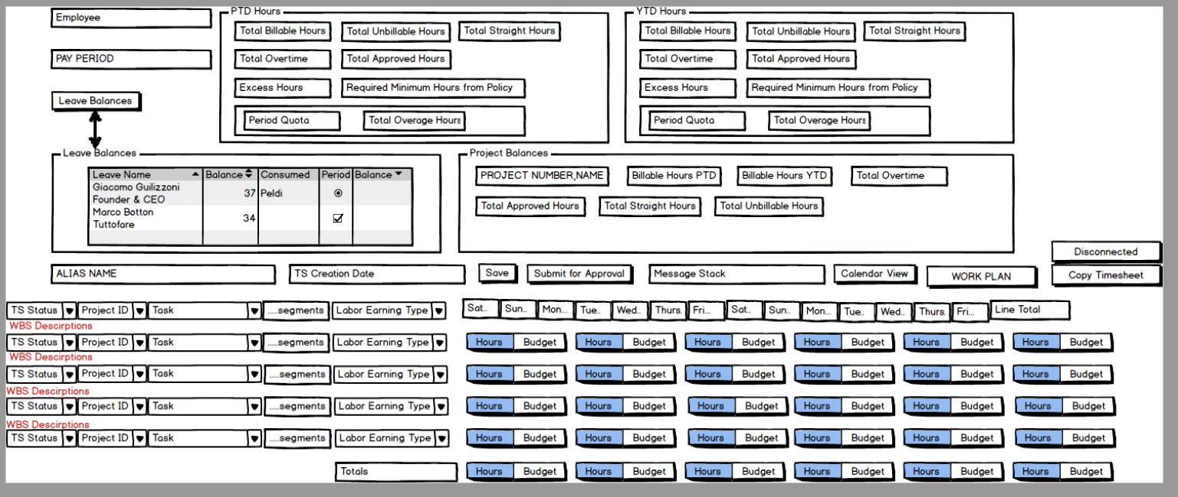

 | CREATE TABLE APPS.CALENDAR_X
CREATE TABLE XXT.XXT_EXP_ITEM_NORM_ALL
 | (
(
 | DATE_KEY NUMBER,
EXPENDITURE_QTY NUMBER(22,2) NOT NULL,
EXPENDITURE_COST NUMBER(22,5), | DATE_TIME_START DATE,
EXPENDITURE_ITEM_COMMENT VARCHAR2(250 BYTE),
EXPENDITURE_ITEM_CLAIM_NUM VARCHAR2(250 BYTE), | DATE_TIME_END DATE,
EXPENDITURE_ITEM_REVERSE_ID NUMBER(15),
LAST_UPDATE_DATE DATE NOT NULL, | DATE_VALUE VARCHAR2(11 BYTE),
LAST_UPDATED_BY NUMBER(15) NOT NULL,
LAST_UPDATE_LOGIN NUMBER(15), | DAY_OF_WEEK_NUMBER NUMBER,
CREATION_DATE DATE NOT NULL,
CREATED_BY NUMBER(15) NOT NULL, | DAY_OF_WEEK_DESC VARCHAR2(9 BYTE),
ORG_ID NUMBER(15),
EXPENDITURE_DATE DATE NOT NULL, | DAY_OF_WEEK_SDESC VARCHAR2(3 BYTE),
EI_NORM_ID NUMBER(20) NOT NULL,
EI_DENORM_ID NUMBER(20) NOT NULL, | WEEKEND_FLAG NUMBER,
EMPLOYEE_NUMBER VARCHAR2(30 BYTE),
ALIAS_NAME VARCHAR2(30 BYTE), | WEEK_IN_MONTH_NUMBER NUMBER,
PROJECT_NUMBER VARCHAR2(25 BYTE) NOT NULL,
TASK_NUMBER VARCHAR2(25 BYTE) NOT NULL, | WEEK_IN_YEAR_NUMBER NUMBER,
EXPENDITURE_TYPE VARCHAR2(30 BYTE),
DATE_OF_INJURY DATE, | WEEK_START_DATE DATE,
CLAIM_NUMBER VARCHAR2(250 BYTE),
COST_RATE NUMBER(22,5), | WEEK_END_DATE DATE,
RECORD_NUMBER NUMBER NOT NULL,
EXT_SYSTEM1_INTERFACE_STATUS VARCHAR2(1 BYTE), | ISO_WEEK_NUMBER NUMBER,
SCO_STATUS_IN VARCHAR2(1 BYTE),
POSTED_TO_PA VARCHAR2(3 BYTE), | ISO_WEEK_START_DATE DATE,
DATE_POSTED_TO_PA DATE,
PAYROLL_STATUS VARCHAR2(1 BYTE), | ISO_WEEK_END_DATE DATE,
ADJUSTED_FLAG VARCHAR2(1 BYTE),
SHIFT_STATUS VARCHAR2(1 BYTE), | DAY_OF_MONTH_NUMBER NUMBER,
CLASS_STATUS VARCHAR2(1 BYTE),
OVERTIME_STATUS VARCHAR2(1 BYTE), | MONTH_VALUE VARCHAR2(2 BYTE),
MCP_DATE DATE,
MCP_REASON NUMBER, | MONTH_DESC VARCHAR2(9 BYTE),
RESOURCE_TYPE VARCHAR2(30 BYTE) DEFAULT 'Labor',
CATEGORY VARCHAR2(30 BYTE), | MONTH_SDESC VARCHAR2(3 BYTE),
SUB_CATEGORY VARCHAR2(30 BYTE),
ETRACKER_CCD_NO VARCHAR2(20 BYTE) | MONTH_START_DATE DATE,

) | MONTH_END_DATE DATE,

 | DAYS_IN_MONTH NUMBER,

 | LAST_DAY_OF_MONTH_FLAG NUMBER,

 | DAY_OF_QUARTER_NUMBER NUMBER,

 | QUARTER_VALUE VARCHAR2(1 BYTE),

 | QUARTER_DESC VARCHAR2(2 BYTE),

 | QUARTER_START_DATE DATE,

 | QUARTER_END_DATE DATE,

 | DAYS_IN_QUARTER NUMBER,

 | LAST_DAY_OF_QUARTER_FLAG NUMBER,

 | DAY_OF_YEAR_NUMBER NUMBER,

 | YEAR_VALUE VARCHAR2(4 BYTE),

 | YEAR_DESC VARCHAR2(6 BYTE),

 | YEAR_SDESC VARCHAR2(4 BYTE),

 | YEAR_START_DATE DATE,

 | YEAR_END_DATE DATE,

 | DAYS_IN_YEAR NUMBER

 | )

 | SELECT TO_NUMBER (TO_CHAR (mydate, 'yyyymmdd')) AS date_key, mydate AS date_time_start, mydate + 1 - 1/86400 AS date_time_end, TO_CHAR (mydate, 'dd-MON-yyyy') AS date_value, TO_NUMBER (TO_CHAR (mydate, 'D')) AS day_of_week_number, TO_CHAR (mydate, 'Day') AS day_of_week_desc, TO_CHAR (mydate, 'DY') AS day_of_week_sdesc, CASE WHEN TO_NUMBER (TO_CHAR (mydate, 'D')) IN (1, 7) THEN 1 ELSE 0 END AS weekend_flag, TO_NUMBER (TO_CHAR (mydate, 'W')) AS week_in_month_number, TO_NUMBER (TO_CHAR (mydate, 'WW')) AS week_in_year_number, TRUNC(mydate, 'w') AS week_start_date, TRUNC(mydate, 'w') + 7 - 1/86400 AS week_end_date, TO_NUMBER (TO_CHAR (mydate, 'IW')) AS iso_week_number, TRUNC(mydate, 'iw') AS iso_week_start_date, TRUNC(mydate, 'iw') + 7 - 1/86400 AS iso_week_end_date, TO_NUMBER (TO_CHAR (mydate, 'DD')) AS day_of_month_number, TO_CHAR (mydate, 'MM') AS month_value, TO_CHAR (mydate, 'Month') AS month_desc, TO_CHAR (mydate, 'MON') AS month_sdesc, TRUNC (mydate, 'mm') AS month_start_date, LAST_DAY (TRUNC (mydate, 'mm')) + 1 - 1/86400 AS month_end_date, TO_NUMBER ( TO_CHAR( LAST_DAY (TRUNC (mydate, 'mm')), 'DD')) AS days_in_month, CASE WHEN mydate = LAST_DAY (TRUNC (mydate, 'mm')) THEN 1 ELSE 0 END AS last_day_of_month_flag, TRUNC (mydate) - TRUNC (mydate, 'Q') + 1 AS day_of_quarter_number, TO_CHAR (mydate, 'Q') AS quarter_value, 'Q' || TO_CHAR (mydate, 'Q') AS quarter_desc, TRUNC (mydate, 'Q') AS quarter_start_date, ADD_MONTHS (TRUNC (mydate, 'Q'), 3) - 1/86400 AS quarter_end_date, ADD_MONTHS (TRUNC (mydate, 'Q'), 3) - TRUNC (mydate, 'Q') AS days_in_quarter, CASE WHEN mydate = ADD_MONTHS (TRUNC (mydate, 'Q'), 3) - 1 THEN 1 ELSE 0 END AS last_day_of_quarter_flag, TO_NUMBER (TO_CH

CXSTM007- Global Aliases
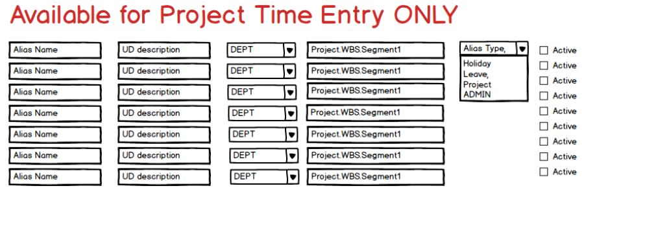

CREATE TABLE XXT.XXT_PA_ALIASES_ALL

(

ALIAS_ID NUMBER NOT NULL,

ALIAS_NAME VARCHAR2(30 BYTE) NOT NULL,

ALIAS_TYPE VARCHAR2(1 BYTE) NOT NULL,

PROJECT_NUMBER VARCHAR2(25 BYTE) NOT NULL,

TASK_NUMBER VARCHAR2(25 BYTE),

EXPENDITURE_TYPE VARCHAR2(30 BYTE),

LAST_UPDATE_DATE DATE NOT NULL,

LAST_UPDATED_BY NUMBER(15) NOT NULL,

CREATION_DATE DATE NOT NULL,

CREATED_BY NUMBER(15) NOT NULL,

EMPLOYEE_NUMBER VARCHAR2(30 BYTE),

XXTPAA_COMMENT VARCHAR2(240 BYTE),

LAST_UPDATE_LOGIN NUMBER(15),

ORG_ID NUMBER(15),

RECORD_NUMBER NUMBER NOT NULL,

DEFAULT_STATUS VARCHAR2(1 BYTE),

ALIAS_STATUS VARCHAR2(10 BYTE),

BPM_FLAG CHAR(1 BYTE),

DEFAULT_HOURS NUMBER(22,2),

DSA_FLAG CHAR(1 BYTE) DEFAULT 'N',

MCP_ABSENCE_TYPE VARCHAR2(4 BYTE),

MCP_ABSENCE_REASON_CODE VARCHAR2(3 BYTE),

RESOURCE_TYPE VARCHAR2(5 BYTE) DEFAULT 'Labor',

CATEGORY VARCHAR2(5 BYTE),

SUB_CATEGORY VARCHAR2(5 BYTE),

ETRACKER_CCD_NO VARCHAR2(20 BYTE)

)

CXSTM011- Create Aliases
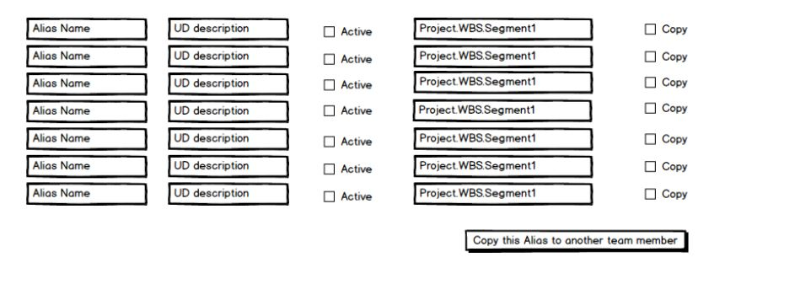

CREATE TABLE XXT.XXT_PA_ALIASES_ALL

(

ALIAS_ID NUMBER NOT NULL,

ALIAS_NAME VARCHAR2(30 BYTE) NOT NULL,

ALIAS_TYPE VARCHAR2(1 BYTE) NOT NULL,

PROJECT_NUMBER VARCHAR2(25 BYTE) NOT NULL,

TASK_NUMBER VARCHAR2(25 BYTE),

EXPENDITURE_TYPE VARCHAR2(30 BYTE),

LAST_UPDATE_DATE DATE NOT NULL,

LAST_UPDATED_BY NUMBER(15) NOT NULL,

CREATION_DATE DATE NOT NULL,

CREATED_BY NUMBER(15) NOT NULL,

EMPLOYEE_NUMBER VARCHAR2(30 BYTE),

XXTPAA_COMMENT VARCHAR2(240 BYTE),

LAST_UPDATE_LOGIN NUMBER(15),

ORG_ID NUMBER(15),

RECORD_NUMBER NUMBER NOT NULL,

DEFAULT_STATUS VARCHAR2(1 BYTE),

ALIAS_STATUS VARCHAR2(10 BYTE),

BPM_FLAG CHAR(1 BYTE),

DEFAULT_HOURS NUMBER(22,2),

DSA_FLAG CHAR(1 BYTE) DEFAULT 'N',

MCP_ABSENCE_TYPE VARCHAR2(4 BYTE),

MCP_ABSENCE_REASON_CODE VARCHAR2(3 BYTE),

RESOURCE_TYPE VARCHAR2(5 BYTE) DEFAULT 'Labor',

CATEGORY VARCHAR2(5 BYTE),

SUB_CATEGORY VARCHAR2(5 BYTE),

ETRACKER_CCD_NO VARCHAR2(20 BYTE)

)

CXSTM008 - Pre Approval Form En
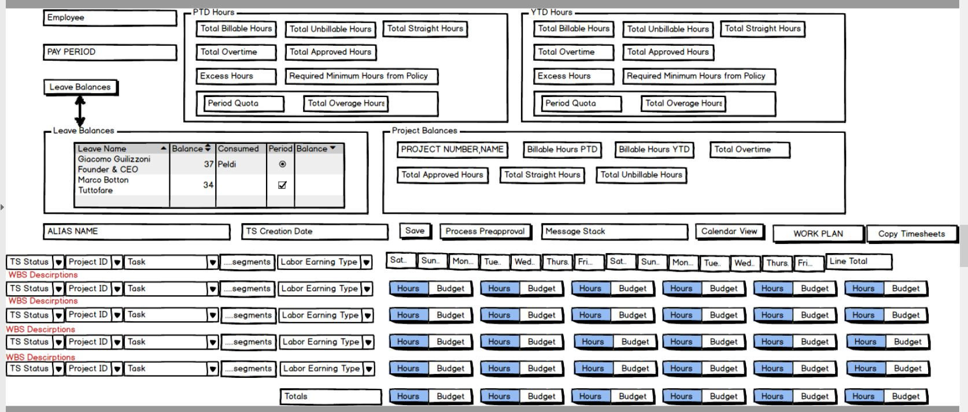

 | CREATE TABLE APPS.CALENDAR_X
CREATE TABLE XXT.XXT_EXP_ITEM_NORM_ALL
 | (
(
 | DATE_KEY NUMBER,
EXPENDITURE_QTY NUMBER(22,2) NOT NULL,
EXPENDITURE_COST NUMBER(22,5), | DATE_TIME_START DATE,
EXPENDITURE_ITEM_COMMENT VARCHAR2(250 BYTE),
EXPENDITURE_ITEM_CLAIM_NUM VARCHAR2(250 BYTE), | DATE_TIME_END DATE,
EXPENDITURE_ITEM_REVERSE_ID NUMBER(15),
LAST_UPDATE_DATE DATE NOT NULL, | DATE_VALUE VARCHAR2(11 BYTE),
LAST_UPDATED_BY NUMBER(15) NOT NULL,
LAST_UPDATE_LOGIN NUMBER(15), | DAY_OF_WEEK_NUMBER NUMBER,
CREATION_DATE DATE NOT NULL,
CREATED_BY NUMBER(15) NOT NULL, | DAY_OF_WEEK_DESC VARCHAR2(9 BYTE),
ORG_ID NUMBER(15),
EXPENDITURE_DATE DATE NOT NULL, | DAY_OF_WEEK_SDESC VARCHAR2(3 BYTE),
EI_NORM_ID NUMBER(20) NOT NULL,
EI_DENORM_ID NUMBER(20) NOT NULL, | WEEKEND_FLAG NUMBER,
EMPLOYEE_NUMBER VARCHAR2(30 BYTE),
ALIAS_NAME VARCHAR2(30 BYTE), | WEEK_IN_MONTH_NUMBER NUMBER,
PROJECT_NUMBER VARCHAR2(25 BYTE) NOT NULL,
TASK_NUMBER VARCHAR2(25 BYTE) NOT NULL, | WEEK_IN_YEAR_NUMBER NUMBER,
EXPENDITURE_TYPE VARCHAR2(30 BYTE),
DATE_OF_INJURY DATE, | WEEK_START_DATE DATE,
CLAIM_NUMBER VARCHAR2(250 BYTE),
COST_RATE NUMBER(22,5), | WEEK_END_DATE DATE,
RECORD_NUMBER NUMBER NOT NULL,
EXT_SYSTEM1_INTERFACE_STATUS VARCHAR2(1 BYTE), | ISO_WEEK_NUMBER NUMBER,
SCO_STATUS_IN VARCHAR2(1 BYTE),
POSTED_TO_PA VARCHAR2(3 BYTE), | ISO_WEEK_START_DATE DATE,
DATE_POSTED_TO_PA DATE,
PAYROLL_STATUS VARCHAR2(1 BYTE), | ISO_WEEK_END_DATE DATE,
ADJUSTED_FLAG VARCHAR2(1 BYTE),
SHIFT_STATUS VARCHAR2(1 BYTE), | DAY_OF_MONTH_NUMBER NUMBER,
CLASS_STATUS VARCHAR2(1 BYTE),
OVERTIME_STATUS VARCHAR2(1 BYTE), | MONTH_VALUE VARCHAR2(2 BYTE),
MCP_DATE DATE,
MCP_REASON NUMBER, | MONTH_DESC VARCHAR2(9 BYTE),
RESOURCE_TYPE VARCHAR2(30 BYTE) DEFAULT 'Labor',
CATEGORY VARCHAR2(30 BYTE), | MONTH_SDESC VARCHAR2(3 BYTE),
SUB_CATEGORY VARCHAR2(30 BYTE),
ETRACKER_CCD_NO VARCHAR2(20 BYTE) | MONTH_START_DATE DATE,

) | MONTH_END_DATE DATE,

 | DAYS_IN_MONTH NUMBER,

 | LAST_DAY_OF_MONTH_FLAG NUMBER,

 | DAY_OF_QUARTER_NUMBER NUMBER,

 | QUARTER_VALUE VARCHAR2(1 BYTE),

 | QUARTER_DESC VARCHAR2(2 BYTE),

 | QUARTER_START_DATE DATE,

 | QUARTER_END_DATE DATE,

 | DAYS_IN_QUARTER NUMBER,

 | LAST_DAY_OF_QUARTER_FLAG NUMBER,

 | DAY_OF_YEAR_NUMBER NUMBER,

 | YEAR_VALUE VARCHAR2(4 BYTE),

 | YEAR_DESC VARCHAR2(6 BYTE),

 | YEAR_SDESC VARCHAR2(4 BYTE),

 | YEAR_START_DATE DATE,

 | YEAR_END_DATE DATE,

 | DAYS_IN_YEAR NUMBER

 | )

 | SELECT TO_NUMBER (TO_CHAR (mydate, 'yyyymmdd')) AS date_key, mydate AS date_time_start, mydate + 1 - 1/86400 AS date_time_end, TO_CHAR (mydate, 'dd-MON-yyyy') AS date_value, TO_NUMBER (TO_CHAR (mydate, 'D')) AS day_of_week_number, TO_CHAR (mydate, 'Day') AS day_of_week_desc, TO_CHAR (mydate, 'DY') AS day_of_week_sdesc, CASE WHEN TO_NUMBER (TO_CHAR (mydate, 'D')) IN (1, 7) THEN 1 ELSE 0 END AS weekend_flag, TO_NUMBER (TO_CHAR (mydate, 'W')) AS week_in_month_number, TO_NUMBER (TO_CHAR (mydate, 'WW')) AS week_in_year_number, TRUNC(mydate, 'w') AS week_start_date, TRUNC(mydate, 'w') + 7 - 1/86400 AS week_end_date, TO_NUMBER (TO_CHAR (mydate, 'IW')) AS iso_week_number, TRUNC(mydate, 'iw') AS iso_week_start_date, TRUNC(mydate, 'iw') + 7 - 1/86400 AS iso_week_end_date, TO_NUMBER (TO_CHAR (mydate, 'DD')) AS day_of_month_number, TO_CHAR (mydate, 'MM') AS month_value, TO_CHAR (mydate, 'Month') AS month_desc, TO_CHAR (mydate, 'MON') AS month_sdesc, TRUNC (mydate, 'mm') AS month_start_date, LAST_DAY (TRUNC (mydate, 'mm')) + 1 - 1/86400 AS month_end_date, TO_NUMBER ( TO_CHAR( LAST_DAY (TRUNC (mydate, 'mm')), 'DD')) AS days_in_month, CASE WHEN mydate = LAST_DAY (TRUNC (mydate, 'mm')) THEN 1 ELSE 0 END AS last_day_of_month_flag, TRUNC (mydate) - TRUNC (mydate, 'Q') + 1 AS day_of_quarter_number, TO_CHAR (mydate, 'Q') AS quarter_value, 'Q' || TO_CHAR (mydate, 'Q') AS quarter_desc, TRUNC (mydate, 'Q') AS quarter_start_date, ADD_MONTHS (TRUNC (mydate, 'Q'), 3) - 1/86400 AS quarter_end_date, ADD_MONTHS (TRUNC (mydate, 'Q'), 3) - TRUNC (mydate, 'Q') AS days_in_quarter, CASE WHEN mydate = ADD_MONTHS (TRUNC (mydate, 'Q'), 3) - 1 THEN 1 ELSE 0 END AS last_day_of_quarter_flag, TO_NUMBER (TO_CH

CXSTM009 - Search Timesheets
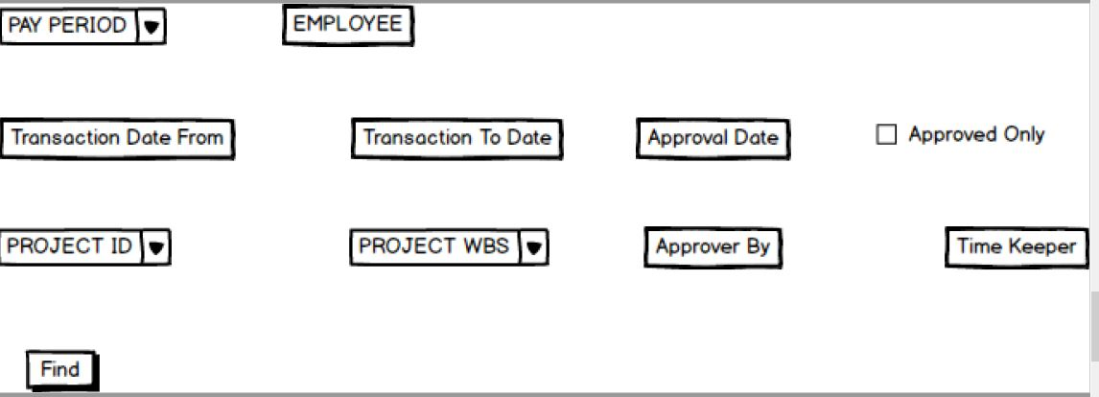

0

CXSTM012- Time Profile Assignme
CXSTM012- Time Profile Assignment to Employee
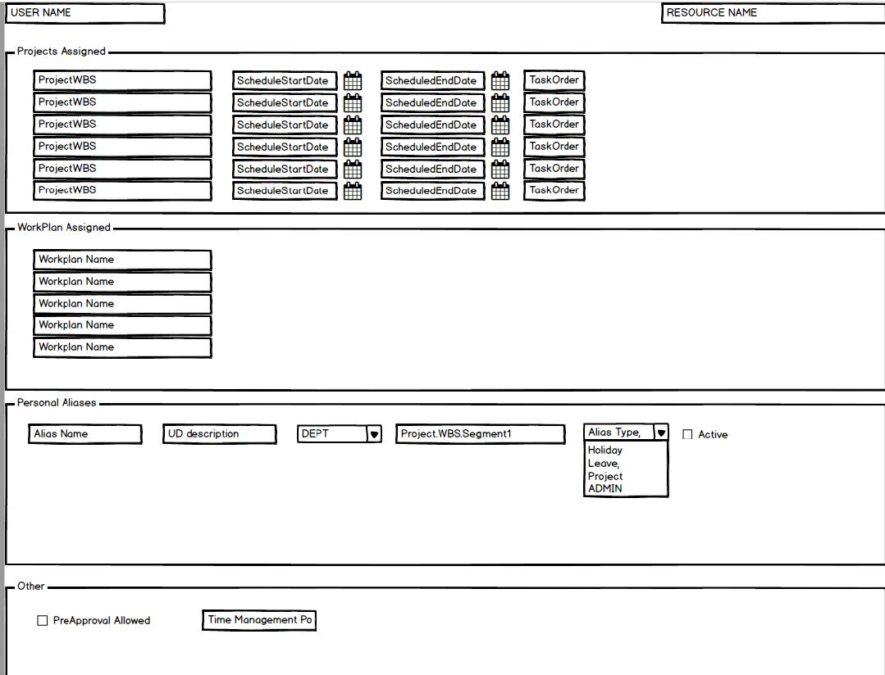
 | Attribute: | USERNAME
 | Data Object | USER_ID
 | Data Source | CXS_TIME_PROFILE

 | Attribute | RESOURCE NAME
 | Data Object | RESOURCE_ID
 | Data Source | CXS_TIME_PROFILE
 | Dependency | CXS_RESOURCES

 | Attribute | Project WBS
 | Data Object | PROJECT_WBS_ID
 | Data Source | CXS_TIME_PROFILES
 | Dependency | CXS_WBS_ASSIGNMENTS

 | Attribute | ScheduelStartDate
 | Data Object | SCHEDULE_START_DATE
 | Data Source | CXS_TIME_PROFILES
 | Functionality | Display Only
 | Dependency | CXS_WBS_ASSIGNMENTS

 | Attribute | ScheduleEndDate
 | Data Object | SCHEDULE_END_DATE
 | Data Source | CXS_TIME_PROFILES
 | Functionality | Display Only
 | Dependency | CXS_WBS_ASSIGNMENTS

 | Attribute | TaskOrder
 | Data Object | TASK_ORDER
 | Data Source | CXS_TIME_PROFILES
 | Functionality | Display Only

 | Attribute | Workplan
 | Data Object | WORKPLAN_ID
 | Dependency | CXS_WORKPLANS
 | DataSource | CXS_TIME_PROFILES

 | Attribute | Alias Name
 | Data Object | ALIAS_ID
 | Data Source | CXS_TIME_PROFILES
 | Dependency | CXS_ALIASES

 | Attribute | PreApproval Allowed
 | Data Object | PREAPPROVAL_ALLOWED_FLAG
 | Data Source | CXS_TIME_PROFILES

 | Attribute | Time Management Policy
 | Data Object | TIME_POLICY_ID
 | Data Source | CXS_TIME_PROFILES
 | Dependency | CXS_TIME_POLICIES

CXSTM002- Time Management Polic
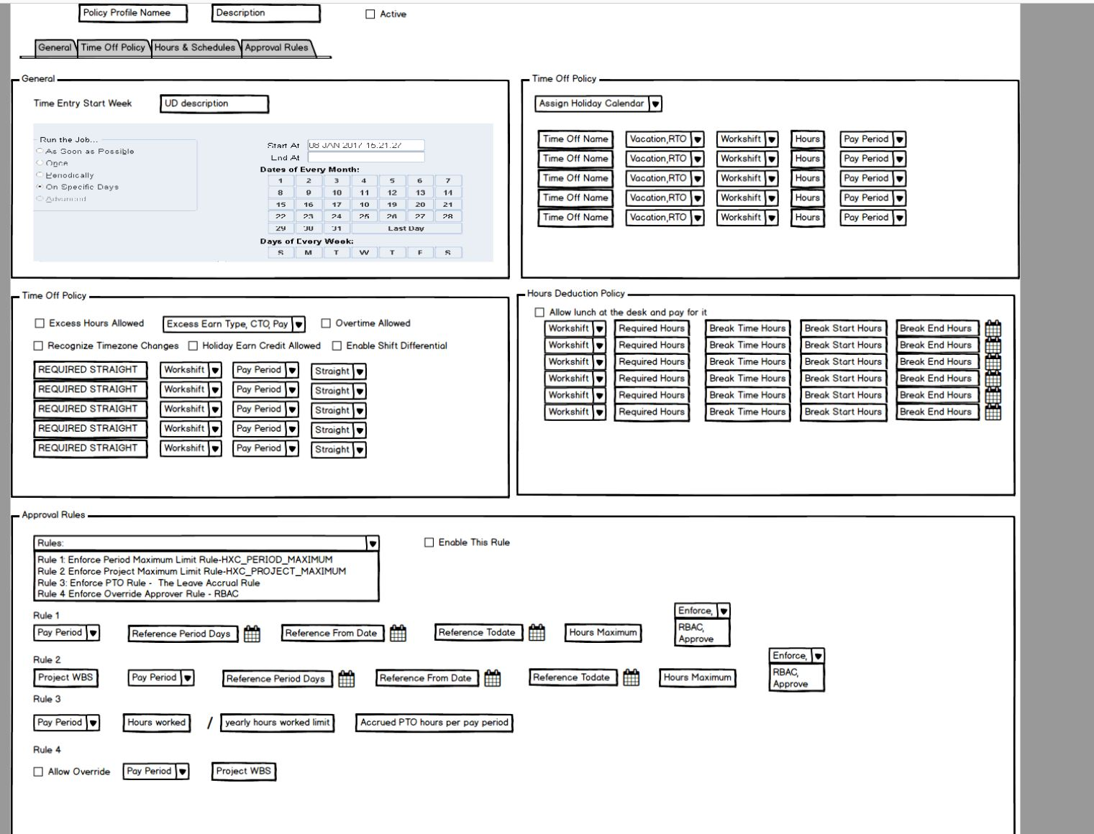

CXSTM013- Preapproval Rules
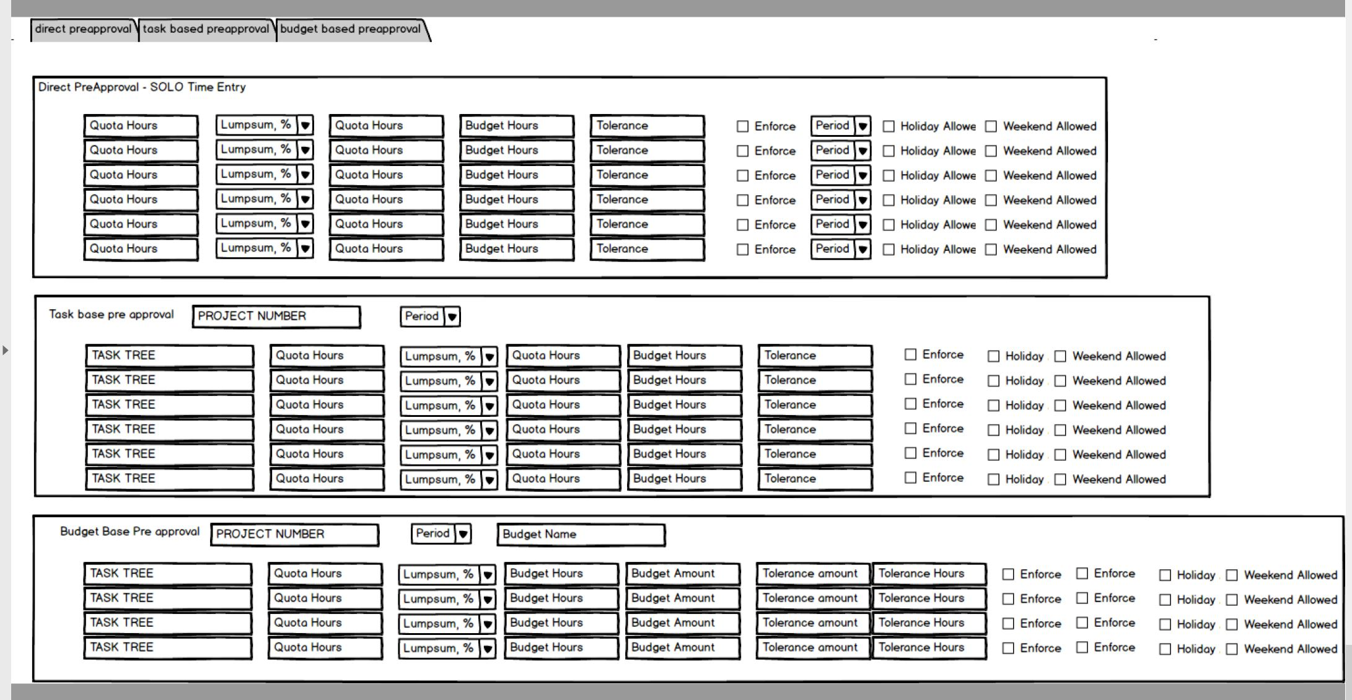

Attribute | PreApproval Type |  | Attribute | Quota Hours
Data Object | PREAPPROVAL_TYPE |  | Data Object | QUOTA_HOURS
Data Source | CXS_PREAPP_RULES |  | Data Source | CXS_PREAPP_RULES
Functionality | Will have following values |  | Functionality | Quota Hours are mandatory for Task and Budget Preapprovals
 | -Direct Preapproval (Solo Time Entry) |  |  | Quota Hours are optional for Direct Preapprovals(DP)
 | -TaskBase Preapproval |  |  | When Hours are entered for DP, time entry approval stops on or exceeding hours if ENFORCE flag is checked
 | - Budget Based Preapproval |  |  | When Hours are entered for DP, and no tolerance is specificed with NOT ENFORCED, user has unlimited hours and infinite preapprovals
 | DP is without Project Accounting |  |  | When Hours are entered for DP and tolerance is specified with NOT enforced, user can exceed tolerance and it will be route to RBAC if exceeded
 | All others are with ProjectAccounting |  |  | When Hours are entered for DP and tolerance is specificed with NOT enforced, but does not exceed tolerance then it will be preapproved for that pay period
 |  |  |  | When Hours are entered for DP and tolerance is specified with ENFORCED, then it will not allow to exceed tolerance

Attribute | Charge Type |  | Attribute | Budget Hours
Data Object | CHARGE_TYPE |  | Data Object | BUDGET_HOURS
Data Source | CXS_PREAPP_RULES |  | Data Source | CXS_PREAPP_RULES
Functionality | Valid Values: Lumpsump or % |  | Functionality | For DP Preapprovals, this is enterable
 |  |  |  | For other Preapprovals this is display only

Attribute | Tolerance |  | Attribute | ENFORCE
Data Object | TOLERANCE |  | Data Object | ENFORCE_FLAG
Data Source | CXS_PREAPP_RULES |  | Data Source | CXS_PREAPP_RULES
Functionality | Depending on CHARGE_TYPE you can enter |  | Functionality | If checked, it will not allow user to exceed quota hours
 | either % or amount |  |  | If tolerance is entered, it will not allow user to exceed tolerance
 | this sets the limit of exceed

Attribute | Holidays |  |  | Attribute | Weekend
Data Object | HOLIDAY_FLAG |  |  | Data Object | WEEKEND_HOURS
Data Source | CXS_PREAPP_RULES |  |  | Data Source | If checked, that means weekend hours are preapproved
Functionality | If checked, that means holiday work hours are preapproved |  |  |  | Subjected to Profile Option and Time Management Policies
 | Subjected to Profile option and Time Management Policies

Attribute | PAY PERIOD |  |  | Attribute | Project Number
Data Object | PERIOD_ID |  |  | Data Object | PROJECT_ID
Data Source | CXS_PREAPP_RULES |  |  | Data Source | CXS_PREAPP_RULES
Dependency | CXS_PERIODS |  |  | Dependency | CXS_PROJECT_DEFINITIONS

Attribute | PROJECT String |  |  | Attribute | Budget Amount
Data Object | WBS_COMBINATION_ID |  |  | Data Object | BUDGET_AMOUNT
Data Source | CXS_PREAPP_RULES |  |  | Data Source | CXS_PREAPP_RULES
Dependency | CXS_WBS_COMBINATIONS

Table: | CXS_PREAPP_RULES |  |  |  |  | A note on Quota Hours, Budget Hours, Budget Amount

 | LAST_UPDATE_DATE | DATE |  |  |  | For DP Prepapprovals Budget Hours are Hard coded.
 | CREATION_DATE | DATE |  |  |  | For DP Preapprovals if Quota and Budget hours both are entered then
 | LAST_UPDATED_BY | NUMBER |  |  |  | Quota hours MUST be less than Budget Hours
 | CREATED_BY | NUMBER |  |  |  | Budget hours are tied to pay period
 | LAST_SESSION_ID | VARCHAR2(240) |  |  |  | The idea is that supervisor may want to micromanage budget hours by releasing in small quotas
 | PREAPPROVAL_TYPE | Varchar2(40)
 | QUOTA_HOURS | NUMBER |  |  |  | Budget Amount
 | CHARGE_TYPE | VARCHAR2(10)
 | BUDGET_HOURS | NUMBER |  |  |  | When defining Budget Based Preapproval
 | TOLERANCE | NUMBER |  |  |  | You can either enter a budget amount or buget hours. Not both
 | ENFORCE_FLAG | VARCHAR2(1)
 | HOLIDAY_FLAG | VARCHAR2(1)
 | WEEKEND_HOURS | NUMBER
 | PERIOD_ID | NUMBER | CXS_PERIODS
 | PROJECT_ID | NUMBER | CXS_PROJECT_DEFINITIONS
 | WBS_COMBINATION_ID | NUMBER | CXS_WBS_COMBINATIONS
 | BUDGET_AMOUNT | NUMBER
 | PREAPP_RULE_ID | NUMBER | PRIMARY KEY

